Worksheet Instructions
Thank you for your department's participation in the State of Missouri's Diversity and Inclusion (D&I) Annual Reporting Worksheet!


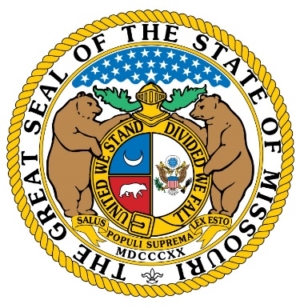

As the body responsible for monitoring and assisting in equal employment opportunity among all executive departments of state government (EO 10-24), the Office of Equal Opportunity (OEO) is asking for your department to fill out this brief worksheet to help us assist your department in its diversity and inclusion (D&I) efforts.

The worksheet has two parts: 1. Workforce Diversity Profile: What is our team's current workforce diversity profile? In this section, your department will input departmental demographic data in order to have a better understanding of your team's racial and gender diversity, as well as the breakdown thereof by salary level. 2. Workforce Diversity Plan: What diversity and inclusion measures does our department currently have in place? In this section, your department will answer a short series of questions about your department's current D&I measures, which will give the OEO a better idea of where we can be of assistance to your department in working towards a more diverse and inclusive workplace.

Department Primary Representative Contact Information
Name:
Email:
Phone:
Title:
Date: | 2022-01-24
Version: FY21

Our Workforce Diversity Profile
Please enter your department's demographic data into the blue boxes below.

Name of Department: |  |  | Select Name of Department

Total Number of Employees: |  |  |  |  |  | Male | Female | Unknown | % Female
 |  |  |  |  |  |  |  |  | #DIV/0!
White | Black | Hispanic | Asian | Am. Indian | P. Islander | Two or More |  | Unknown | % Minority
 |  |  |  |  |  |  |  |  | #DIV/0!

Salary Breakdown |  | White | Black | Hispanic | Asian | Am. Indian | P. Islander | ≥2 Races | Unknown
 | ≤ 39.9k
Male | 40.0-69.9k
 | ≥70.0k
 |  | 0 | 0 | 0 | 0 | 0 | 0 | 0 | 0
 | ≤ 39.9k
Female | 40.0-69.9k
 | ≥70.0k
 |  | 0 | 0 | 0 | 0 | 0 | 0 | 0 | 0
Male/Female
Male
Female
Unknown
Racial Breakdown
White
Black
Hispanic
Asian
Am. Indian
P. Islander
Two or More
Unknown

Salary Breakdown - Gender
 | Male | Female
≤ 39.9k | 0 | 0
40.0-69.9k | 0 | 0
≥70.0k | 0 | 0
Salary Breakdown - Race
 | White | Minority Total
≤ 39.9k | 0 | 0
40.0-69.9k | 0 | 0
≥70.0k | 0 | 0

